TestSummary
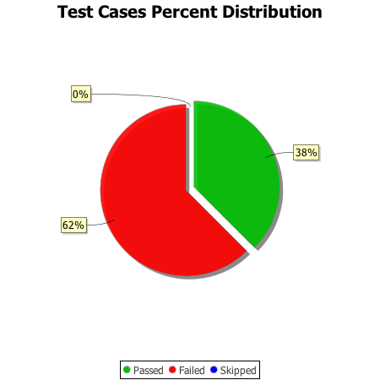
Total Test Cases | 8
Test Cases Passed | 3
Test Cases Failed | 5
Test Cases Skipped | 0

